Python_Plot Accessories
Colors | Markers | Line Styles | Plot Theme / Style
``'b'`` blue | ``'.'`` point marker | ``'-'`` solid line style | 'Solarize_Light2',
``'g'`` green | ``','`` pixel marker | ``'--'`` dashed line style | '_classic_test_patch',
``'r'`` red | ``'o'`` circle marker | ``'-.'`` dash-dot line style | 'bmh',
``'c'`` cyan | ``'v'`` triangle_down marker | ``':'`` dotted line style | 'classic',
``'m'`` magenta | ``'^'`` triangle_up marker |  | 'dark_background',
``'y'`` yellow | ``'<'`` triangle_left marker |  | 'fast',
``'k'`` black | ``'>'`` triangle_right marker |  | 'fivethirtyeight',
``'w'`` white | ``'1'`` tri_down marker |  | 'ggplot',
 | ``'2'`` tri_up marker |  | 'grayscale',
 | ``'3'`` tri_left marker |  | 'seaborn',
 | ``'4'`` tri_right marker |  | 'seaborn-bright',
 | ``'s'`` square marker |  | 'seaborn-colorblind',
 | ``'p'`` pentagon marker |  | 'seaborn-dark',
 | ``'*'`` star marker |  | 'seaborn-dark-palette',
 | ``'h'`` hexagon1 marker |  | 'seaborn-darkgrid',
 | ``'H'`` hexagon2 marker |  | 'seaborn-deep',
 | ``'+'`` plus marker |  | 'seaborn-muted',
 | ``'x'`` x marker |  | 'seaborn-notebook',
 | ``'D'`` diamond marker |  | 'seaborn-paper',
 | ``'d'`` thin_diamond marker |  | 'seaborn-pastel',
 | ``'|'`` vline marker |  | 'seaborn-poster',
 | ``'_'`` hline marker |  | 'seaborn-talk',
 |  |  | 'seaborn-ticks',
 |  |  | 'seaborn-white',
 |  |  | 'seaborn-whitegrid',
 | palette list |  | 'tableau-colorblind10'
 | Accent_r
 | afmhot
 | afmhot_r
 | autumn
 | autumn_r
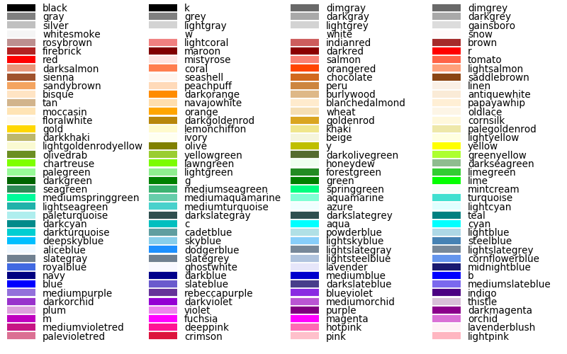
 | binary
 | binary_r
 | Blues
 | Blues_r
 | bone
 | bone_r
 | BrBG
 | BrBG_r
 | brg
 | brg_r
 | BuGn
 | BuGn_r
 | BuPu
 | BuPu_r
 | bwr
 | bwr_r
 | cividis
 | cividis_r
 | CMRmap
 | CMRmap_r
 | cool
 | cool_r
 | coolwarm
 | coolwarm_r
 | copper
 | copper_r
 | crest
 | crest_r
 | cubehelix
 | cubehelix_r
 | Dark2
 | Dark2_r
 | flag
 | flag_r
 | flare
 | flare_r
 | gist_earth
 | gist_earth_r
 | gist_gray
 | gist_gray_r
 | gist_heat
 | gist_heat_r
 | gist_ncar
 | gist_ncar_r
 | gist_rainbow
 | gist_rainbow_r
 | gist_stern
 | gist_stern_r
 | gist_yarg
 | gist_yarg_r
 | GnBu
 | GnBu_r
 | gnuplot
 | gnuplot_r
 | gnuplot2
 | gnuplot2_r
 | gray
 | gray_r
 | Greens
 | Greens_r
 | Greys
 | Greys_r
 | hot
 | hot_r
 | hsv
 | hsv_r
 | icefire
 | icefire_r
 | inferno
 | inferno_r
 | jet
 | jet_r
 | magma
 | magma_r
 | mako
 | mako_r
 | nipy_spectral
 | nipy_spectral_r
 | ocean
 | ocean_r
 | Oranges
 | Oranges_r
 | OrRd
 | OrRd_r
 | Paired
 | Paired_r
 | Pastel1
 | Pastel1_r
 | Pastel2
 | Pastel2_r
 | pink
 | pink_r
 | PiYG
 | PiYG_r
 | plasma
 | plasma_r
 | PRGn
 | PRGn_r
 | prism
 | prism_r
 | PuBu
 | PuBu_r
 | PuBuGn
 | PuBuGn_r
 | PuOr
 | PuOr_r
 | PuRd
 | PuRd_r
 | Purples
 | Purples_r
 | rainbow
 | rainbow_r
 | RdBu
 | RdBu_r
 | RdGy
 | RdGy_r
 | RdPu
 | RdPu_r
 | RdYlBu
 | RdYlBu_r
 | RdYlGn
 | RdYlGn_r
 | Reds
 | Reds_r
 | rocket
 | rocket_r
 | seismic
 | seismic_r
 | Set1
 | Set1_r
 | Set2
 | Set2_r
 | Set3
 | Set3_r
 | Spectral
 | Spectral_r
 | spring
 | spring_r
 | summer
 | summer_r
 | tab10
 | tab10_r
 | tab20
 | tab20_r
 | tab20b
 | tab20b_r
 | tab20c
 | tab20c_r
 | terrain
 | terrain_r
 | turbo
 | turbo_r
 | twilight
 | twilight_r
 | twilight_shifted
 | twilight_shifted_r
 | viridis
 | viridis_r
 | vlag
 | vlag_r
 | winter
 | winter_r
 | Wistia
 | Wistia_r
 | YlGn
 | YlGn_r
 | YlGnBu
 | YlGnBu_r
 | YlOrBr
 | YlOrBr_r
 | YlOrRd
 | YlOrRd_r
 | Accent

Data Preprocessing-ML
Data Preprocessing
 | Date Splitting |  | B | B business day frequency | Captured all the days except satureday & Sunday
 | Creating time stamp data | dt = pd.date_range(start = 'mm/dd/yyy, end = 'mm/dd/yyy, periods = num of period, freq = '15S' (for hours use 'H' / for second use 'S') | C | C custom business day frequency (experimental)
 | Converting time stamp data into dataframe | dt = Pd.DataFrame(dt, columns = DateTime) | D | D calendar day frequency | Captured all the days
 | Splitting Year | dt['Year'] = df.DateTime.dt.year | W | W weekly frequency | Captured only Sunday dates
 | Splitting month | df['Month'] = df.DateTime.dt.month | M | M month end frequency | Catured only last date of every month
 | Splitting days | df['Day'] = df.DateTime.dt.day | BM | BM business month end frequency
 | Splitting day name | df['Day_name'] = df.DateTime.dt.day_name() | MS | MS month start frequency
 | Splitting hours | df['Hours'] = df.DateTime.dt.hour | BMS | BMS business month start frequency
 | Splitting minut | df['Minut'] = df.DateTime.dt.minute | Q | Q quarter end frequency
 | Splitting second | df['Second'] = df.DateTime.dt.second | BQ | BQ business quarter endfrequency
 | Splitting microsecond | df['Microsecond'] = df.DateTime.dt.microsecond | QS | QS quarter start frequency
 | rank function: - ranking rows |  | BQS | BQS business quarter start frequency
 | Creating a rank column based on the another column | df['rank'] = df['col1'].rank(ascending = True/False] | A | A year end frequency
 | String Manipulation |  | BA | BA business year end frequency
 | Changing the string into lower case | df['col1'].str.lower( ) | AS | AS year start frequency
 | Changing the string into upper case | df['col1'].str.upper( ) | BAS | BAS business year start frequency
 | Changing the string into capitalize case | df['col1'].str.capitalize( ) | H | H hourly frequency
 | Changing the string into title case | df['col1'].str.title( ) | T | T minutely frequency
 | Splitting string | df['col1'].str.split( ) | S | S secondly frequency
 | Finding match case at the end of the string through logical value | df['col1'].str.endswith( ) | L | L milliseonds
 | Finding index position of match | df['col1'].str.find( ) | U | U microseconds
 | Checking alphanumeric | df['col1'].str.isalnum( )
 | Checking digits | df['col1'].str.isdigit( )
 | Sorting Pandas Data Frame
 | Sorting Single Column | df.sort_values(by = 'col1', ascending = True / False)
 | Sorting Multiple Columns | df.sort_values(by = ['col1','col2'], ascending = [True,False])
 | Replacing cell values
 | Replacing cell values | df['Name of Col'].replace('Old Value','New Value']
 | Rename of Columns
 | Rename of Single Column | df.rename(columns = {'Old Col name' : 'New Col name'})

 | Rename of Multiple Columns | df.rename(columns = {'Old Col name' : 'New Col name', 'Old Col name':'New Col name'})
 | Rename of Multiple Columns if lots of colums | df.columns = ['new_col1','new_col2','new_col3','new_col4','new_col5','new_col5','new_col6']
 | Dropping Columns
 | Dropping Single Column by name | data.drop(columns = 'Col name', axis = 1)
 | Dropping Multiple Column by name | data.drop(columns = ['Col1 name','Col2 name'], axis = 1)
 | Dropping Single Column index number | data.drop(columns = data.columns[index number], axis = 1)
 | Dropping Multiple Column index number | data.drop(columns = data.columns[[index num1, index num2]], axis = 1)
 | Dropping Rows
 | Dropping Single Row by name | data.drop(data.index[index number of row])
 | Dropping Multiple Row by name | data.drop(data.index[[index number of row1, index number of row2]])
 | Dropping rows based on duplicate values in column | data[data['Col Name']!='Col Value']
 | Dropping Entire Duplicate Rows
 | Dropping entire duplicate rows in the dataset | data.drop_duplicates()
 | Dropping duplicate rows based on subset
 | Dropping duplicate rows based on subset | data.drop_duplicates(subset = ['col name'])
 | Dropping duplicate rows based on subset and keeping last data
 | Dropping duplicate rows based on subset and keeping last data | data.drop_duplicates(subset = ['col name'], keep = 'last')
 | Dropping specific columns
 | Dropping specific single columns | data.loc[:, data.columns!='Col name']
 | Dropping specific multiple columns | data.loc[:, (data.columns!='Col name1') & (data.columns!='Col name2')]
 | any( ) and all( )
 | Rules | if (False, False).any( )----False
 |  | if (False, False).all( )----False
 |  | if (True False).any( )----True
 |  | if (True False).all( )----False
 |  | if (True, True).any( )----True
 |  | if (True, True).all( )----True
 | Checking condition with any
 | Checking condition with all
 | Groupby function

 | Resample function
 | Converting timestampe into dataframe where timestamp considered as an index | pd.DataFrame(index = ts_index)
 | Creating random numbers | np.random.randint(1,10,200000)
 | resample / groupby weekly | df.resample('W').sum()
 | resample / groupby two weekly | df.resample('2W').sum()
 | resample / groupby monthly | df.resample('M').sum()
 | resample / groupby monthly | df.resample('M', label='left').sum()

 |  |  |  | Handling missing values in the data
Dropping missing values |  |  |  | 1. Dropping columns have missing values
 | 1st Approach |  |  | 2. Dropping raws have missing values
 | Dropping columns have missing values | data.dropna(axis = 1) |  | 3. Replacing missing by mean or median in numerical variables have missing values
 | Dropping rows have missing values | data.dropna(axis = 2) |  | 4. Replacing missing by mode in categorical variables have missing values
 | 2nd Approach
 | Extracting column name have missing values | missing _var = [col for col in data.columns if data[col].isnull().any()]
 | Dropping columns have missing values | data.drop(columns = missing_var, axis = 1)

